Sheet1
 |  | Document No. | Issue No. | Issue Date |  | Review and Replace Date |  | Authorised By
 |  | GFF324MC | 1 | 23.09.2021 |  | New Issue
 |  | Document Title | LOADED WEDGES WITH SPICY SALSA 400G
 |  | New product created with new weight |  |  | Page |  | 1 of 1 | Magda Shah
Document amendments reason for change |  |  |  |  | Previous Issue Date |  | New Issue | Uncontrolled copy unless signed original

CTXWC-R4TEB | BOOTHS |  | LOADED WEDGES WITH SPICY SALSA 400G | CHILLED
STEP 1 |  |  |  |  | STEP 2
 |  |  |  |  | 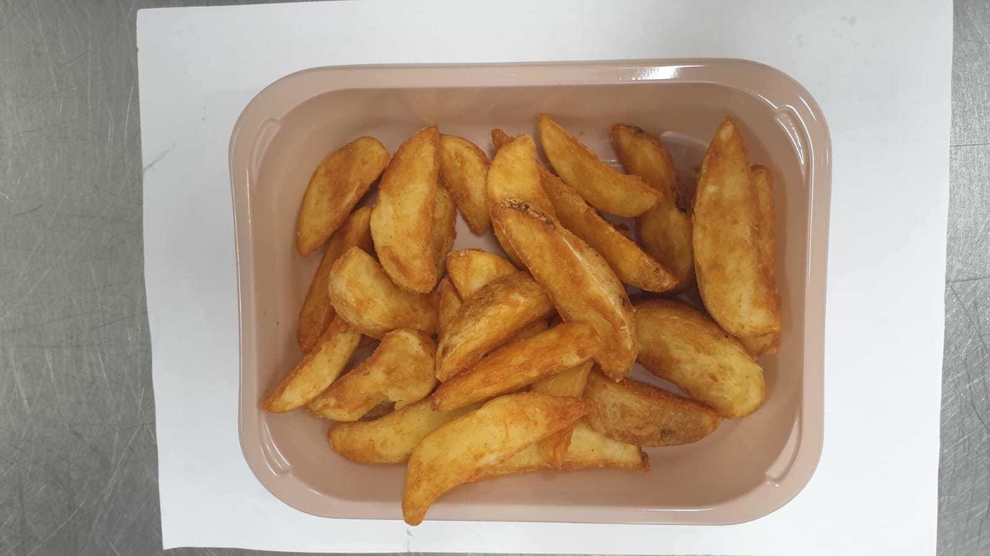

Tray: EVOLVE CPET 2200-1D (PKRHP001-09) |  |  |  |  | Fried Potato Wedges (GFF396R) : 210g
Film: K-Peel 75G + AF 25 250mm (PKKMP001-01)
STEP 3 |  |  | STEP 4 |  |  |  | STEP 5
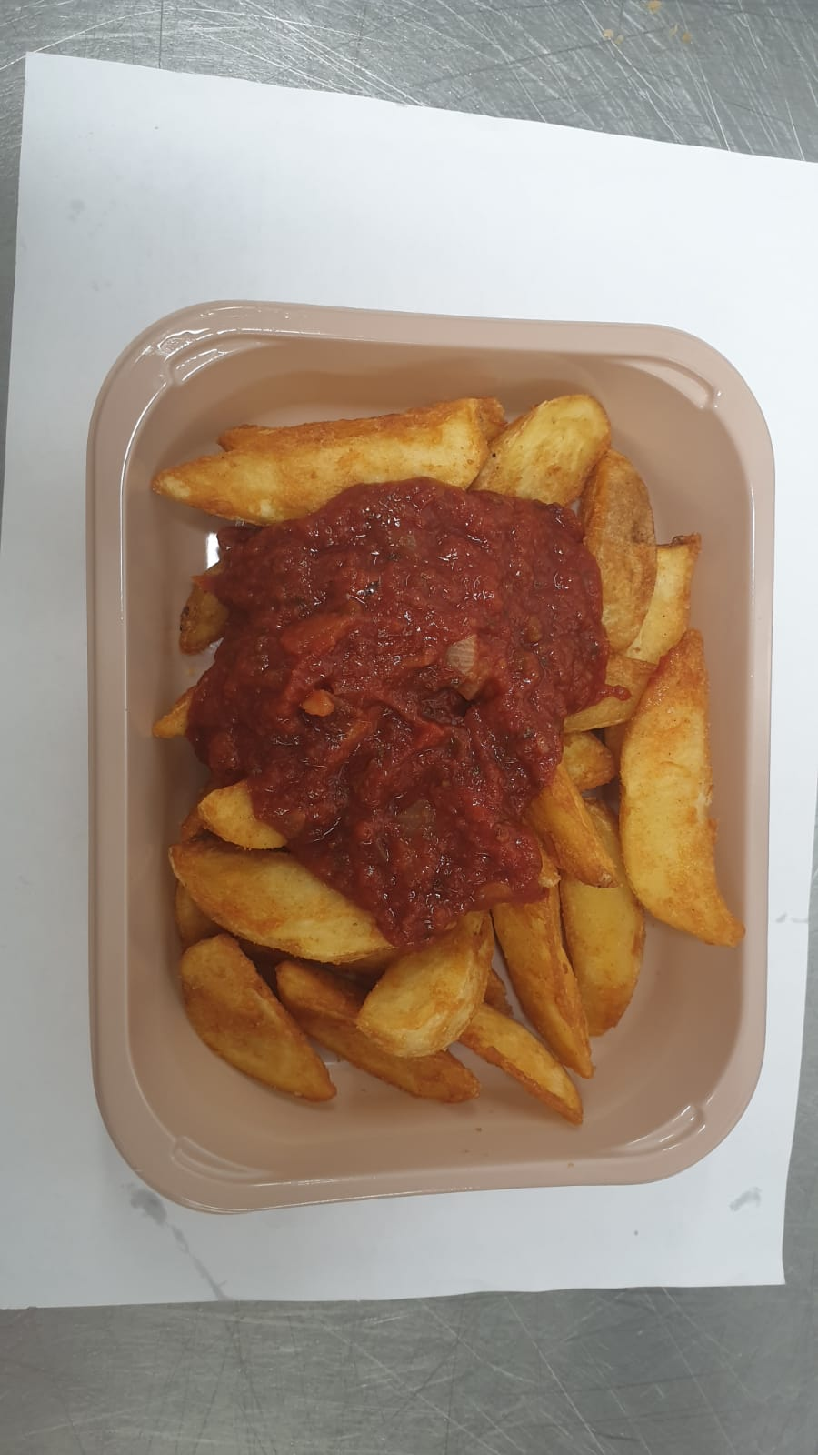 |  |  |  |  |  |  | 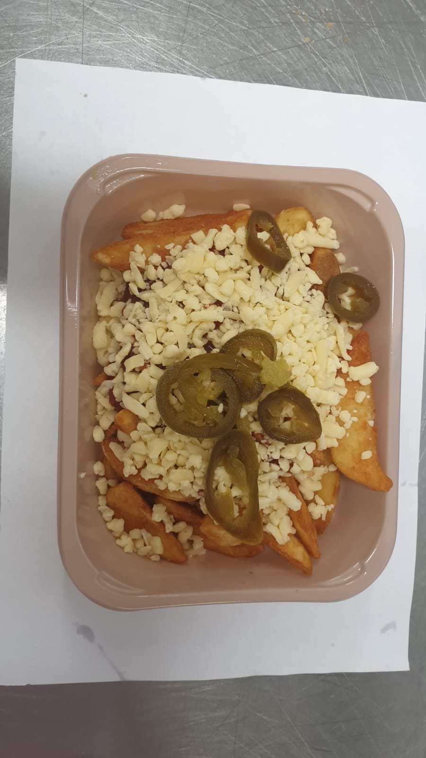

Salsa Sauce (GFF397R) 100g |  |  | Cheddar Cheese Mature Grated (RMHAB001-24) 70g |  |  |  | Sliced Jalapeno (RMFUN001-23) 20g |  | 400g

ALLERGY ALERT: Barley, Wheat, Milk

